Sprongbochten type 1 & 2
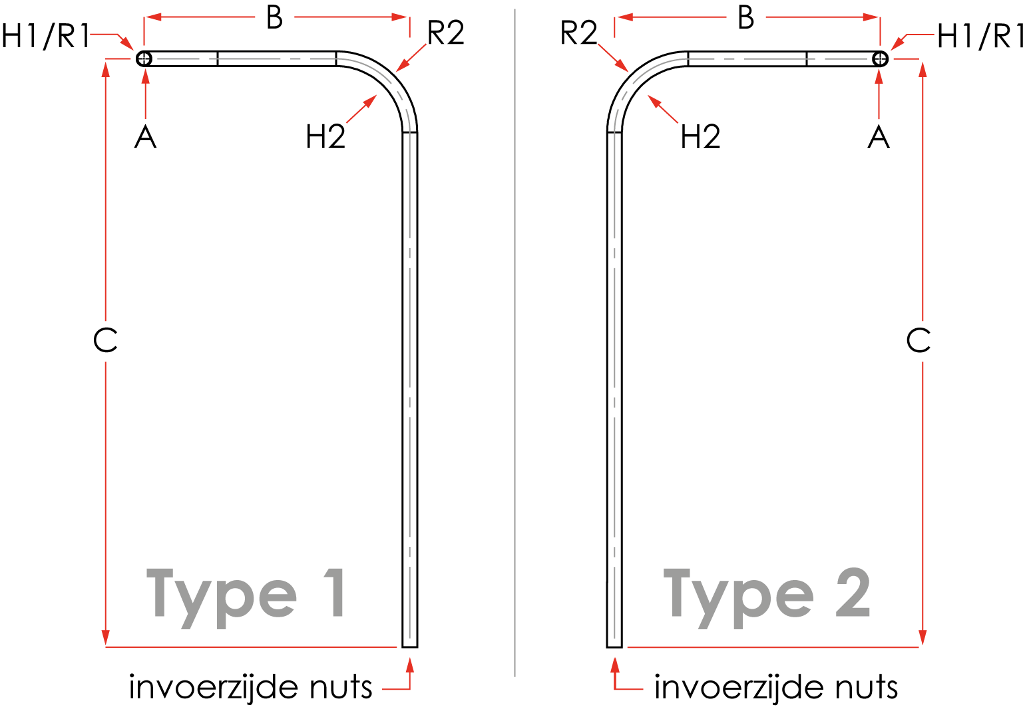

Sprongbochten type 1 & 2
versie 1.2

Hoogte (A) is standaard 1200 mm.
Maatvoering is in millimeters.
Hoek 1 (H1) & Hoek 2 (H2) zijn altijd 90 graden
Maat B minimaal 800 mm

Standaard radius ø50/63=500 mm
Standaard radius ø50-blauw=750 mm

Type | Kleur | Aantal | Diam. | R1 | H1 | R2 | H2 | Nuts | A | B | C | Uit 1 stuk? | Trekkoord? | Merken met | Opmerkingen | Opmerking invulling
 |  |  |  |  |  |  |  |  |  |  |  |  |  |  |  | Vul type in
 |  |  |  |  |  |  |  |  |  |  |  |  |  |  |  | Vul type in
 |  |  |  |  |  |  |  |  |  |  |  |  |  |  |  | Vul type in
 |  |  |  |  |  |  |  |  |  |  |  |  |  |  |  | Vul type in
 |  |  |  |  |  |  |  |  |  |  |  |  |  |  |  | Vul type in
 |  |  |  |  |  |  |  |  |  |  |  |  |  |  |  | Vul type in
 |  |  |  |  |  |  |  |  |  |  |  |  |  |  |  | Vul type in
 |  |  |  |  |  |  |  |  |  |  |  |  |  |  |  | Vul type in
 |  |  |  |  |  |  |  |  |  |  |  |  |  |  |  | Vul type in
 |  |  |  |  |  |  |  |  |  |  |  |  |  |  |  | Vul type in
 |  |  |  |  |  |  |  |  |  |  |  |  |  |  |  | Vul type in
 |  |  |  |  |  |  |  |  |  |  |  |  |  |  |  | Vul type in
 |  |  |  |  |  |  |  |  |  |  |  |  |  |  |  | Vul type in
 |  |  |  |  |  |  |  |  |  |  |  |  |  |  |  | Vul type in
 |  |  |  |  |  |  |  |  |  |  |  |  |  |  |  | Vul type in
 |  |  |  |  |  |  |  |  |  |  |  |  |  |  |  | Vul type in
 |  |  |  |  |  |  |  |  |  |  |  |  |  |  |  | Vul type in
 |  |  |  |  |  |  |  |  |  |  |  |  |  |  |  | Vul type in
 |  |  |  |  |  |  |  |  |  |  |  |  |  |  |  | Vul type in
 |  |  |  |  |  |  |  |  |  |  |  |  |  |  |  | Vul type in
 |  |  |  |  |  |  |  |  |  |  |  |  |  |  |  | Vul type in
 |  |  |  |  |  |  |  |  |  |  |  |  |  |  |  | Vul type in
 |  |  |  |  |  |  |  |  |  |  |  |  |  |  |  | Vul type in
 |  |  |  |  |  |  |  |  |  |  |  |  |  |  |  | Vul type in
 |  |  |  |  |  |  |  |  |  |  |  |  |  |  |  | Vul type in
 |  |  |  |  |  |  |  |  |  |  |  |  |  |  |  | Vul type in
 |  |  |  |  |  |  |  |  |  |  |  |  |  |  |  | Vul type in
 |  |  |  |  |  |  |  |  |  |  |  |  |  |  |  | Vul type in
 |  |  |  |  |  |  |  |  |  |  |  |  |  |  |  | Vul type in
 |  |  |  |  |  |  |  |  |  |  |  |  |  |  |  | Vul type in
 |  |  |  |  |  |  |  |  |  |  |  |  |  |  |  | Vul type in
 |  |  |  |  |  |  |  |  |  |  |  |  |  |  |  | Vul type in
 |  |  |  |  |  |  |  |  |  |  |  |  |  |  |  | Vul type in
 |  |  |  |  |  |  |  |  |  |  |  |  |  |  |  | Vul type in
 |  |  |  |  |  |  |  |  |  |  |  |  |  |  |  | Vul type in
 |  |  |  |  |  |  |  |  |  |  |  |  |  |  |  | Vul type in
 |  |  |  |  |  |  |  |  |  |  |  |  |  |  |  | Vul type in
 |  |  |  |  |  |  |  |  |  |  |  |  |  |  |  | Vul type in
 |  |  |  |  |  |  |  |  |  |  |  |  |  |  |  | Vul type in
 |  |  |  |  |  |  |  |  |  |  |  |  |  |  |  | Vul type in
 |  |  |  |  |  |  |  |  |  |  |  |  |  |  |  | Vul type in
 |  |  |  |  |  |  |  |  |  |  |  |  |  |  |  | Vul type in
 |  |  |  |  |  |  |  |  |  |  |  |  |  |  |  | Vul type in
 |  |  |  |  |  |  |  |  |  |  |  |  |  |  |  | Vul type in
 |  |  |  |  |  |  |  |  |  |  |  |  |  |  |  | Vul type in
 |  |  |  |  |  |  |  |  |  |  |  |  |  |  |  | Vul type in
 |  |  |  |  |  |  |  |  |  |  |  |  |  |  |  | Vul type in
 |  |  |  |  |  |  |  |  |  |  |  |  |  |  |  | Vul type in
 |  |  |  |  |  |  |  |  |  |  |  |  |  |  |  | Vul type in
 |  |  |  |  |  |  |  |  |  |  |  |  |  |  |  | Vul type in
 |  |  |  |  |  |  |  |  |  |  |  |  |  |  |  | Vul type in
 |  |  |  |  |  |  |  |  |  |  |  |  |  |  |  | Vul type in
 |  |  |  |  |  |  |  |  |  |  |  |  |  |  |  | Vul type in
 |  |  |  |  |  |  |  |  |  |  |  |  |  |  |  | Vul type in
 |  |  |  |  |  |  |  |  |  |  |  |  |  |  |  | Vul type in
 |  |  |  |  |  |  |  |  |  |  |  |  |  |  |  | Vul type in
 |  |  |  |  |  |  |  |  |  |  |  |  |  |  |  | Vul type in
 |  |  |  |  |  |  |  |  |  |  |  |  |  |  |  | Vul type in
 |  |  |  |  |  |  |  |  |  |  |  |  |  |  |  | Vul type in
 |  |  |  |  |  |  |  |  |  |  |  |  |  |  |  | Vul type in
 |  |  |  |  |  |  |  |  |  |  |  |  |  |  |  | Vul type in
 |  |  |  |  |  |  |  |  |  |  |  |  |  |  |  | Vul type in
 |  |  |  |  |  |  |  |  |  |  |  |  |  |  |  | Vul type in
 |  |  |  |  |  |  |  |  |  |  |  |  |  |  |  | Vul type in
 |  |  |  |  |  |  |  |  |  |  |  |  |  |  |  | Vul type in
 |  |  |  |  |  |  |  |  |  |  |  |  |  |  |  | Vul type in
 |  |  |  |  |  |  |  |  |  |  |  |  |  |  |  | Vul type in
 |  |  |  |  |  |  |  |  |  |  |  |  |  |  |  | Vul type in
 |  |  |  |  |  |  |  |  |  |  |  |  |  |  |  | Vul type in
 |  |  |  |  |  |  |  |  |  |  |  |  |  |  |  | Vul type in
 |  |  |  |  |  |  |  |  |  |  |  |  |  |  |  | Vul type in
 |  |  |  |  |  |  |  |  |  |  |  |  |  |  |  | Vul type in
 |  |  |  |  |  |  |  |  |  |  |  |  |  |  |  | Vul type in
 |  |  |  |  |  |  |  |  |  |  |  |  |  |  |  | Vul type in
 |  |  |  |  |  |  |  |  |  |  |  |  |  |  |  | Vul type in
 |  |  |  |  |  |  |  |  |  |  |  |  |  |  |  | Vul type in
 |  |  |  |  |  |  |  |  |  |  |  |  |  |  |  | Vul type in
 |  |  |  |  |  |  |  |  |  |  |  |  |  |  |  | Vul type in
 |  |  |  |  |  |  |  |  |  |  |  |  |  |  |  | Vul type in
 |  |  |  |  |  |  |  |  |  |  |  |  |  |  |  | Vul type in
 |  |  |  |  |  |  |  |  |  |  |  |  |  |  |  | Vul type in
 |  |  |  |  |  |  |  |  |  |  |  |  |  |  |  | Vul type in
 |  |  |  |  |  |  |  |  |  |  |  |  |  |  |  | Vul type in
 |  |  |  |  |  |  |  |  |  |  |  |  |  |  |  | Vul type in
 |  |  |  |  |  |  |  |  |  |  |  |  |  |  |  | Vul type in
 |  |  |  |  |  |  |  |  |  |  |  |  |  |  |  | Vul type in
 |  |  |  |  |  |  |  |  |  |  |  |  |  |  |  | Vul type in
 |  |  |  |  |  |  |  |  |  |  |  |  |  |  |  | Vul type in
 |  |  |  |  |  |  |  |  |  |  |  |  |  |  |  | Vul type in
 |  |  |  |  |  |  |  |  |  |  |  |  |  |  |  | Vul type in
 |  |  |  |  |  |  |  |  |  |  |  |  |  |  |  | Vul type in
 |  |  |  |  |  |  |  |  |  |  |  |  |  |  |  | Vul type in
 |  |  |  |  |  |  |  |  |  |  |  |  |  |  |  | Vul type in
 |  |  |  |  |  |  |  |  |  |  |  |  |  |  |  | Vul type in
 |  |  |  |  |  |  |  |  |  |  |  |  |  |  |  | Vul type in
 |  |  |  |  |  |  |  |  |  |  |  |  |  |  |  | Vul type in
 |  |  |  |  |  |  |  |  |  |  |  |  |  |  |  | Vul type in
 |  |  |  |  |  |  |  |  |  |  |  |  |  |  |  | Vul type in
 |  |  |  |  |  |  |  |  |  |  |  |  |  |  |  | Vul type in
 |  |  |  |  |  |  |  |  |  |  |  |  |  |  |  | Vul type in
 |  |  |  |  |  |  |  |  |  |  |  |  |  |  |  | Vul type in
 |  |  |  |  |  |  |  |  |  |  |  |  |  |  |  | Vul type in
 |  |  |  |  |  |  |  |  |  |  |  |  |  |  |  | Vul type in
 |  |  |  |  |  |  |  |  |  |  |  |  |  |  |  | Vul type in
 |  |  |  |  |  |  |  |  |  |  |  |  |  |  |  | Vul type in
 |  |  |  |  |  |  |  |  |  |  |  |  |  |  |  | Vul type in
 |  |  |  |  |  |  |  |  |  |  |  |  |  |  |  | Vul type in
 |  |  |  |  |  |  |  |  |  |  |  |  |  |  |  | Vul type in
 |  |  |  |  |  |  |  |  |  |  |  |  |  |  |  | Vul type in
 |  |  |  |  |  |  |  |  |  |  |  |  |  |  |  | Vul type in
 |  |  |  |  |  |  |  |  |  |  |  |  |  |  |  | Vul type in
 |  |  |  |  |  |  |  |  |  |  |  |  |  |  |  | Vul type in
 |  |  |  |  |  |  |  |  |  |  |  |  |  |  |  | Vul type in
 |  |  |  |  |  |  |  |  |  |  |  |  |  |  |  | Vul type in
 |  |  |  |  |  |  |  |  |  |  |  |  |  |  |  | Vul type in
 |  |  |  |  |  |  |  |  |  |  |  |  |  |  |  | Vul type in
 |  |  |  |  |  |  |  |  |  |  |  |  |  |  |  | Vul type in
 |  |  |  |  |  |  |  |  |  |  |  |  |  |  |  | Vul type in
 |  |  |  |  |  |  |  |  |  |  |  |  |  |  |  | Vul type in
 |  |  |  |  |  |  |  |  |  |  |  |  |  |  |  | Vul type in
 |  |  |  |  |  |  |  |  |  |  |  |  |  |  |  | Vul type in
 |  |  |  |  |  |  |  |  |  |  |  |  |  |  |  | Vul type in
 |  |  |  |  |  |  |  |  |  |  |  |  |  |  |  | Vul type in
 |  |  |  |  |  |  |  |  |  |  |  |  |  |  |  | Vul type in
 |  |  |  |  |  |  |  |  |  |  |  |  |  |  |  | Vul type in
 |  |  |  |  |  |  |  |  |  |  |  |  |  |  |  | Vul type in
 |  |  |  |  |  |  |  |  |  |  |  |  |  |  |  | Vul type in
 |  |  |  |  |  |  |  |  |  |  |  |  |  |  |  | Vul type in
 |  |  |  |  |  |  |  |  |  |  |  |  |  |  |  | Vul type in
 |  |  |  |  |  |  |  |  |  |  |  |  |  |  |  | Vul type in
 |  |  |  |  |  |  |  |  |  |  |  |  |  |  |  | Vul type in
 |  |  |  |  |  |  |  |  |  |  |  |  |  |  |  | Vul type in
 |  |  |  |  |  |  |  |  |  |  |  |  |  |  |  | Vul type in
 |  |  |  |  |  |  |  |  |  |  |  |  |  |  |  | Vul type in
 |  |  |  |  |  |  |  |  |  |  |  |  |  |  |  | Vul type in
 |  |  |  |  |  |  |  |  |  |  |  |  |  |  |  | Vul type in
 |  |  |  |  |  |  |  |  |  |  |  |  |  |  |  | Vul type in
 |  |  |  |  |  |  |  |  |  |  |  |  |  |  |  | Vul type in
 |  |  |  |  |  |  |  |  |  |  |  |  |  |  |  | Vul type in
 |  |  |  |  |  |  |  |  |  |  |  |  |  |  |  | Vul type in
 |  |  |  |  |  |  |  |  |  |  |  |  |  |  |  | Vul type in
 |  |  |  |  |  |  |  |  |  |  |  |  |  |  |  | Vul type in
 |  |  |  |  |  |  |  |  |  |  |  |  |  |  |  | Vul type in
 |  |  |  |  |  |  |  |  |  |  |  |  |  |  |  | Vul type in
 |  |  |  |  |  |  |  |  |  |  |  |  |  |  |  | Vul type in
 |  |  |  |  |  |  |  |  |  |  |  |  |  |  |  | Vul type in
 |  |  |  |  |  |  |  |  |  |  |  |  |  |  |  | Vul type in
 |  |  |  |  |  |  |  |  |  |  |  |  |  |  |  | Vul type in
 |  |  |  |  |  |  |  |  |  |  |  |  |  |  |  | Vul type in
 |  |  |  |  |  |  |  |  |  |  |  |  |  |  |  | Vul type in
 |  |  |  |  |  |  |  |  |  |  |  |  |  |  |  | Vul type in
 |  |  |  |  |  |  |  |  |  |  |  |  |  |  |  | Vul type in
 |  |  |  |  |  |  |  |  |  |  |  |  |  |  |  | Vul type in
 |  |  |  |  |  |  |  |  |  |  |  |  |  |  |  | Vul type in
 |  |  |  |  |  |  |  |  |  |  |  |  |  |  |  | Vul type in
 |  |  |  |  |  |  |  |  |  |  |  |  |  |  |  | Vul type in
 |  |  |  |  |  |  |  |  |  |  |  |  |  |  |  | Vul type in
 |  |  |  |  |  |  |  |  |  |  |  |  |  |  |  | Vul type in
 |  |  |  |  |  |  |  |  |  |  |  |  |  |  |  | Vul type in
 |  |  |  |  |  |  |  |  |  |  |  |  |  |  |  | Vul type in
 |  |  |  |  |  |  |  |  |  |  |  |  |  |  |  | Vul type in
 |  |  |  |  |  |  |  |  |  |  |  |  |  |  |  | Vul type in
 |  |  |  |  |  |  |  |  |  |  |  |  |  |  |  | Vul type in
 |  |  |  |  |  |  |  |  |  |  |  |  |  |  |  | Vul type in
 |  |  |  |  |  |  |  |  |  |  |  |  |  |  |  | Vul type in
 |  |  |  |  |  |  |  |  |  |  |  |  |  |  |  | Vul type in
 |  |  |  |  |  |  |  |  |  |  |  |  |  |  |  | Vul type in
 |  |  |  |  |  |  |  |  |  |  |  |  |  |  |  | Vul type in
 |  |  |  |  |  |  |  |  |  |  |  |  |  |  |  | Vul type in
 |  |  |  |  |  |  |  |  |  |  |  |  |  |  |  | Vul type in
 |  |  |  |  |  |  |  |  |  |  |  |  |  |  |  | Vul type in
 |  |  |  |  |  |  |  |  |  |  |  |  |  |  |  | Vul type in
 |  |  |  |  |  |  |  |  |  |  |  |  |  |  |  | Vul type in
 |  |  |  |  |  |  |  |  |  |  |  |  |  |  |  | Vul type in
 |  |  |  |  |  |  |  |  |  |  |  |  |  |  |  | Vul type in
 |  |  |  |  |  |  |  |  |  |  |  |  |  |  |  | Vul type in
 |  |  |  |  |  |  |  |  |  |  |  |  |  |  |  | Vul type in
 |  |  |  |  |  |  |  |  |  |  |  |  |  |  |  | Vul type in
 |  |  |  |  |  |  |  |  |  |  |  |  |  |  |  | Vul type in
 |  |  |  |  |  |  |  |  |  |  |  |  |  |  |  | Vul type in
 |  |  |  |  |  |  |  |  |  |  |  |  |  |  |  | Vul type in

